Sheet1
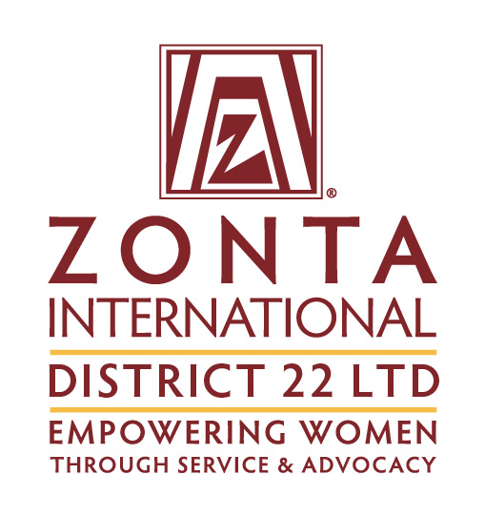 | District Dues Invoice and Remittance Advice 2023-24
ABN 77 612 963 194
District Treasurer- Christine Carr, PO Box 1155, Oonoonba Qld 4811 M: 0419 680 026 E: zontad22 treasurer@gmail.com
Club Name
 |  | Dues per Member | Number of Members as per list below or attached | Total $
Renewals 1 June 2023 - 31 May 2024 |  | $30
New Members 1 June 2023 - 31 May 2024 |  | $30
New Members 1 December 2023 - 31 May 2024 |  | $15
Arrears incl details
Total Payment
Sender's Details - | Name
 | Email
 | Phone
Due Date - | Dues Renewals Payable on 1 June each year
 | Dues New Members payable when they join your club
Payment Instructions - | Direct Credit by Internet Banking or Deposit at any Commonwealth Bank
 | Account name Zonta International District 22 Ltd
 | BSB 064 417
 | Account Number 1098 9339
 | Reference your City/Town from the Club Name
 | Email this completed form to the District Treasurer
Club Voting entitlements at District Meetings – | Determined by the Number of Members according to District Dues paid as at 31 July each year.
Dues are in respect of Club Members as listed
Please add here, or attach, a list of the names of the members included above

